HO_1
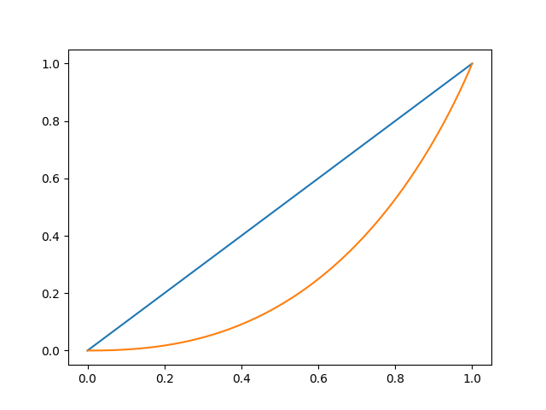
Gini coef | 0.4666150004

HO_2

Gini coef | 0.46777628237

HO_3

Gini coef | 0.46677375299

HO_4
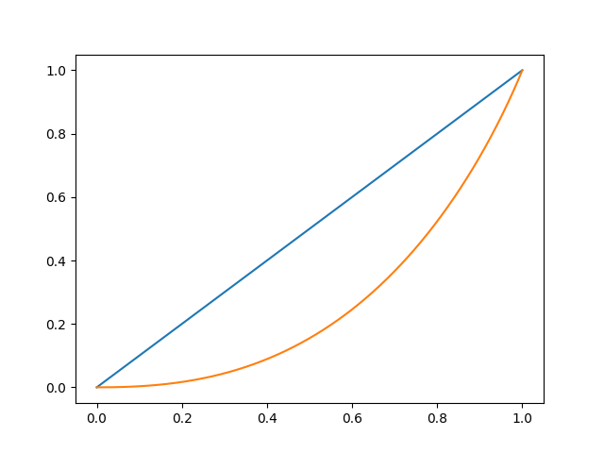
Gini coef | 0.47105402911

HO_5

Gini coef | 0.4717781458

